Copy of Misconceptions graphs
 | Misconception that is not in the master sheet |  | Already in the master sheet

)8th grade) Analyzing common algebra-related misconceptions and errors of middle school students. Sarah B. Bush (2011)
Page | Question | Survey | Incorrect Answer | Correct Answer | Error-Misconception | percentage
p. 207 - 209 | 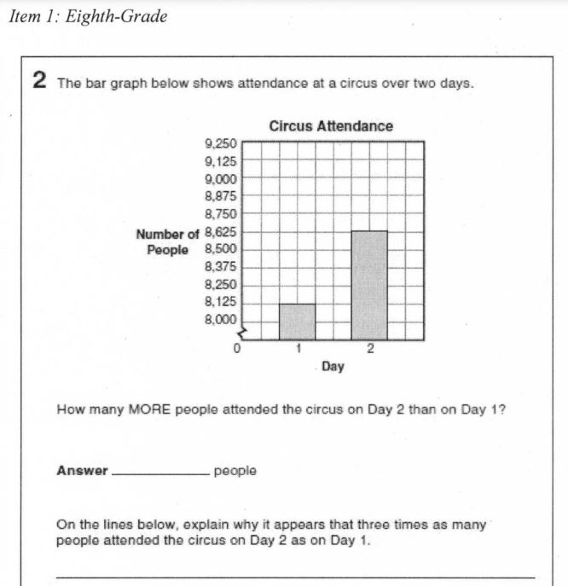 | The sample was obtained from the state's Department of Education. The researcher contacted the Director of Assessment at the state's Department of Education in August 2010. In September 2010 | For the 50% who had the correct answer and incorrect or blank explanation there were a variety of explanations including: no explanation (5%), it (the yaxis) increases by small numbers making it looker bigger than big numbers (5%), the graph is shortened in the corner (5%), the graph starts at 8,000 (15%), disagrees that it appears that there are three times as many on day two than on day one (5%), only mentions heights of the bars (5%), only mentions the increments of 125 (5%), and does not mention the break (5%). For the 10% that also had the incorrect answer along with the incorrect explanation the responses incorrectly stated that the y-axis increases by increments of 150 (instead of 125) (5%), and day two was shaded high (5%). All of these incorrect explanations can be directed back to the fact that the student lacked some understanding or awareness of the discontinuous scale on the y-axis | three times the amount of the other bar | Difficulty interpreting graph-scale. 60% | Correct answer and correct explanation 40% Correct answer and an incorrect or blank explanation 50% Incorrect answer and incorrect explanation 10% |  | x
p. 210 - 212 | 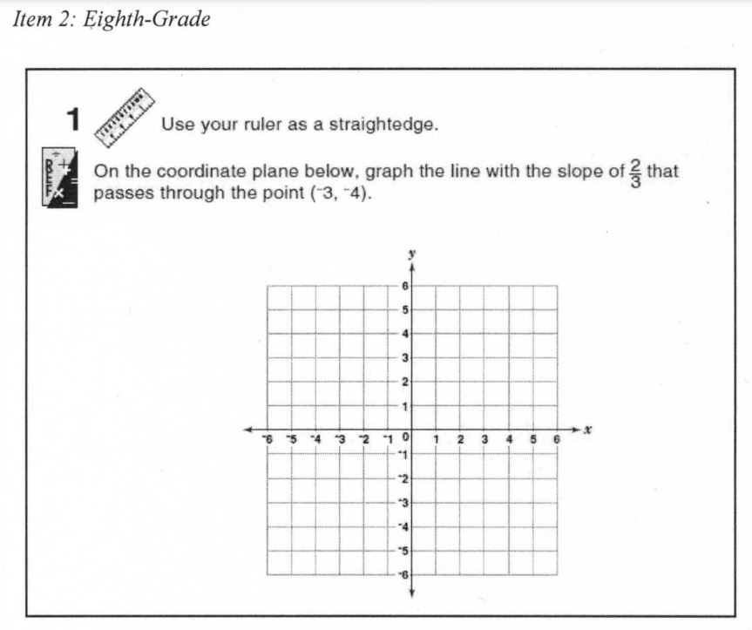 | The sample was obtained from the state's Department of Education. The researcher contacted the Director of Assessment at the state's Department of Education in August 2010. In September 2010 |  |  | - Difficulty graphing slope of line 55% - Difficulty plotting points -reversed x- and y-coordinate 15% - Difficulty plotting points -reason other than reversing x- and y-coordinate 5% | Correctly plotted ordered pair and correctly drew the slope 25% Correctly drew the slope from an incorrect point 15% Incorrectly plotted the ordered pair and incorrectly drew the slope 60% | NOT in NAEP

(6th grade) Analyzing common algebra-related misconceptions and errors of middle school students. Sarah B. Bush (2011)
Page | Question | Survey | Incorrect Answer | Correct Answer | Error-Misconception | percentage
p. 176 - 178 | 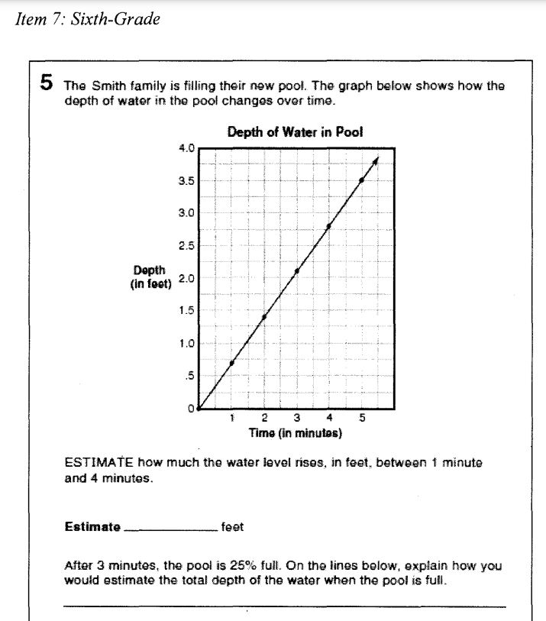 | The sample was obtained from the state's Department of Education. The researcher contacted the Director of Assessment at the state's Department of Education in August 2010. In September 2010 |  |  | Common Errors and Misconceptions: Patterning Errors in counting with patterns (from a graph) 5% Difficulty making a generalization (from a graph) 15% Not making consistent generalizations (from a graph) 5% Difficulty expressing pattern symbolically (on explanation) 5% Common Errors and Misconceptions: Graphing Incorrectly interpreting graph 50% | Correct answer and correct explanation 35% Correct answer but not a clear explanation 5% Incorrect answer 60% | x
p. 191 - 193 | 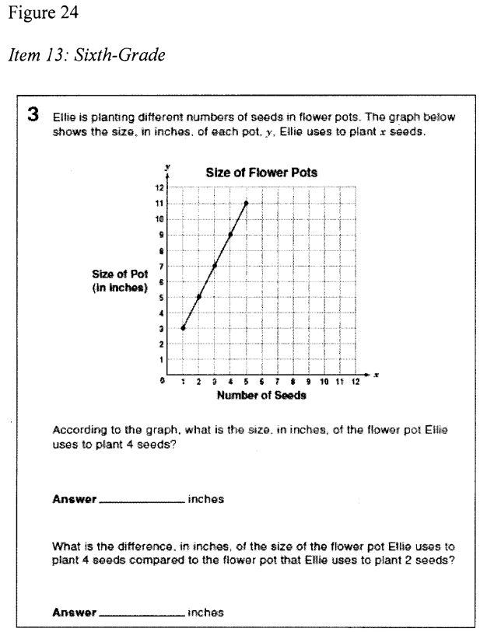 | The sample was obtained from the state's Department of Education. The researcher contacted the Director of Assessment at the state's Department of Education in August 2010. In September 2010 | multiplying the x- and y-coordinate to get the number of inches (5%), subtracting the y-values in the second part (5%), selecting the last point plotted (10%), multiplying the y-values 9 x 7 x 5 x 3 (5%), providing an answer off by one value possibly just looking at the graph wrong (5%), reversing the x- and ycoordinates (5%), subtracting the x-values instead of the y-values (5%), and answers of 1, 7,31,32,35 with unclear reasons (25%). |  | Incorrectly interpreting graph 65% | Correct answer (on both parts) 25% Incorrect 75% | x
p. 182, 183 | 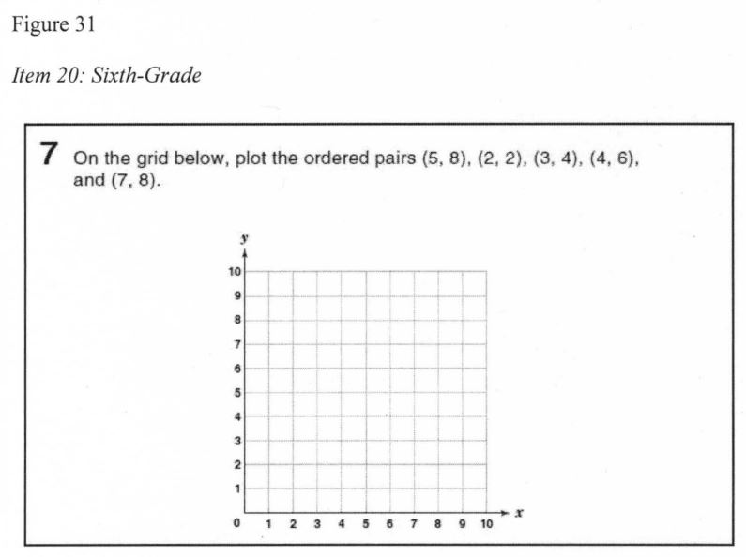 | The sample was obtained from the state's Department of Education. The researcher contacted the Director of Assessment at the state's Department of Education in August 2010. In September 2010 | reversing the x-coordinate and y-coordinate |  | Difficulty plotting points - reversed x- and y-coordinate 20% Difficulty plotting points - reason other than reversing x- and y-coordinate 20% | All ordered pairs correctly plotted 35% At least one ordered pair plotted incorrectly 65% | x | x

